Sheet1
Barcode Test
 | 123456789 | *123456789* | 3 of 9 barcode
 | 123456789 | 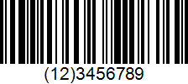 | GS1-128 (UCC/EAN-128)
 | 123456789 | *123456789* | C39HrP24DlTt
 | 123456789 | *123456789* | Code3of9
 | 123456789 | *123456789* | IDAutomationHC39M
 | ABC-abc-1234 |  | Code-128
 | 1DFP8-14GQV-N4Y1F-YZGFX | 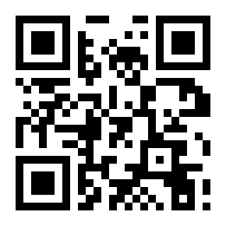 | QR Code
 | SPC 0100 1 CH3709000000304442225 Stiftung Heilsarmee Schweiz | 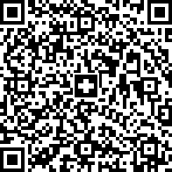 | Swiss QR Code v.1.0
 | QR-IBAN CH44 3199 9123 0008 8901 2 Name Robert Schneider AG Street and Building Number or P.O. Box Rue du Lac 1268 Postal Code and Town 2501 Biel Country Code CH Payment Amount Amount Currency (EUR/CHF) CHF Payable byName Pia-Maria Rutschmann-Schnyder Street and Building Number or P.O. Box Grosse Marktgasse 28 Postal Code and Town 9400 Rorschach Country Code CH Reference QR Reference 21 00000 00003 13947 14300 09017 Additional Information Unstructured Message Instruction of 15.09.2019 Bill Information //S1/10/1234/11/220221/30/102673386/32/7.7/40/0:30 Alternative Schemes Alternative Scheme Parameters 1 eBill/B/empfaenger@email.com/12345678 Alternative Scheme Parameters 2 | 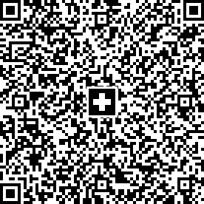 | Swiss QR Code for QR Bills
 | 0123456789 |  | PDF417
 | https://www.wcs-th.com |  | DataMatrix
 | World Wide Com Service Co,Ltd. |  | MicroPDF417

